Sheet1
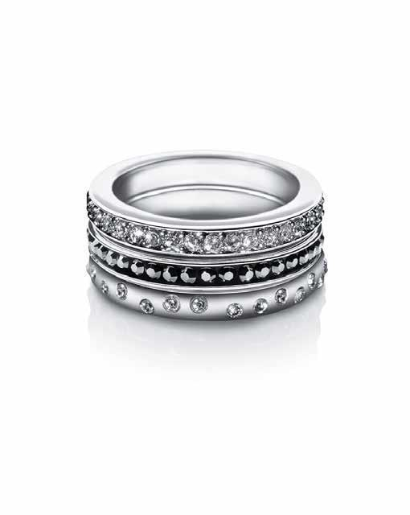
Picture | Item code | Description | Extra information | Restriction | Stock | Sales price EXW | Retail price | Barcode | Quantity PU | Quantity pallet | Pallet | Origin | Customs code | Item weight | Languages on package | Group
 | S-07479 | Liora Aurora Tri-Ring Set (S) with Swarovski Elements | 1808002 |  | 459 | 2.99 | 8.19 | 5023041289161 | 6 |  |  | T | 7301100000 | 104 |  | Liora Aurora Tri-Ring Set (S) with Swarovski Elements

